SF
A | MTBE |  |  | NRTL parameters: |  |  |  |  | R |  | Antoine equation parameters (Pa) |  |  |  |  |  |  |  |  |  | pre odparku | pre Extraktor
B | Metanol |  |  | alphaAB | 0.4 | gAB | 5.5737 |  | 0.008314 |  |  | A | B | C |  |  | MACRO |  |  | n | 23.64311664 | 5.4997511721
C | [BMIM][HSO4] |  |  |  |  | gBA | 7.4991 |  | P - ventil | kPa | A | 20.84054 | -2624.525 | -46.15171 |  |  | CTRL+Q |  |  | xa | 0.0018542519675 | 0.18381489338
 |  |  |  |  |  | gAC | 19.2694 |  | 50 |  | B | 23.5347 | -3661.468 | -32.77001 |  |  |  |  |  | xb | 0.49509609737 | 0.81618510662
 |  |  |  |  |  | gCA | 16.212 |  | P - pred | kPa | C | 0 | 0 | 0 |  |  |  |  |  | xc | 0.50304965066 | 0
 |  |  |  |  |  | gBC | 10.6456 |  | 101.325
 |  |  |  |  |  | gCB | 0.5632

t | T | xA | xB | xC | PA0 | PB0 | PC0 | yA | yB | yC | SUMy
45.113903208 | 318.26390321 | 0.0018542519675 | 0.49509609737 | 0.50304965066 | 72.804231351 | 44.786816813 | 0 | 0.18381484679 | 0.81618515317 | 0 | 0.99999999996

τAB | τBA | τAC | τCA | τBC | τCB | GAB | GBA | GAC | GCA | GBC | GCB | θ1 | θ2 | θ3 | φ1 | φ2 | φ3 | γA | γB | γC
2.1064258927 | 2.8340776167 | 7.2823372441 | 6.1268774015 | 4.0232103421 | 0.21284587667 | 0.4306022981 | 0.32186243453 | 0.054316083566 | 0.086228807741 | 0.20003075749 | 0.9183852164 | 0.71738614133 | 0.10001524777 | 0.39916985867 | 0.20458445881 | 0.95788790481 | 0.60218481375 | 68.080889507 | 1.8404286927 | 1.1766182098

 | VSTUP | L | G |  |  |  |  | Metanol |  |  |  |  |  |  |  |  |  | Stred. T | vypA [kJ/kmol]
t | 68 | 45.113903208 | 45.113903208 |  |  |  |  | A [kJ/mol] | 45.3 |  |  |  |  |  |  |  |  | 329.7069516 | 28578.353227
T | 341.15 | 318.26390321 | 318.26390321 |  |  |  |  | alpha | -0.31 |  |  |  |  |  |  |  |  | cpA [kJ/kmol/K] | vypB
n[kmol] | 29.14 | 23.64311664 | 5.4997511721 |  | odchylka |  |  | beta | 0.4241 |  |  |  |  |  |  |  |  | 187.5 | 20819.158184
xA | 0.04 | 0.0018542519675 | 0.18381489338 | 0.18381484679 | 2.1704338989E-15 |  |  | Tc [K] | 512.6 |  | NIST |  |  |  |  |  |  | cpB | vypC
xC | 0.41 | 0.50304965066 | 0 |  |  |  |  |  |  |  |  |  |  |  |  |  |  | 89.701978348 | 0
xB | 0.56 | 0.49509609737 | 0.81618510662 | 0.81618515317 | 2.1667705162E-15 |  |  | MTBE |  |  |  |  |  |  |  |  |  | cpC | vypZ
h[kJ/kmol/h] | 4198.0885949 | 0 | 22245.413794 |  | odchylka |  |  | A [kJ/mol] | 46.23 |  |  |  |  |  |  |  |  | 310.69912479 | 22245.413794
H | 122344.34099 | 0 | 122344.24059 | 8.2063308538E-07 | 6.7343866082E-13 |  |  | beta | 0.2893 |  |  |  |  |  |  |  |  | cpZ
kJ/h |  |  |  |  | SUMA |  |  | Tc [K] | 497.1 |  |  |  |  |  |  |  |  | 183.4340138
Referenčný stav |  |  |  |  | 6.7777586524E-13 |  |  |  |  | Majer, V.; Svoboda, V., Enthalpies of Vaporization of Organic Compounds: A Critical Review and Data Compilation, Blackwell Scientific Publications, Oxford, 1985, 300.
L |  | teplota L a G

Metanol |  | M | 32.04 | kg/kmol |  |  |  |  |  | Andon, R.J.L.; Martin, J.F., Thermodynamic properties of organic oxygen compounds. 40. Heat capacity and entropy of six ethers, J. Chem. Thermodynam., 1975, 7, 593-606.
cp | kcal/kg/K |  |  | 1kcal | = | 4,1868kJ
a | b | c | d
0.8382 | -0.003231 | 0.000008296 | -1.689E-10
 | kJ/kg/K
3.50937576 | -0.0135275508 | 3.47336928E-05 | -7.0715052E-10
 | kJ/kmol/K
112.44039935 | -0.43342272763 | 0.0011128675173 | -2.2657102661E-08

[EMIM][HSO4] |  |  |  |  | J/mol/K | = | kJ/kmol/K
Ficke, L. E.; Novak, R.; Brennecke, J. F. (2010) J. Chem. Eng. Data 55(11),
T | cp[J/mol/K] |  |  | cp
283.15 | 290
293.15 | 294
303.15 | 297
313.15 | 302
323.15 | 306
333.15 | 313
343.15 | 324
283.15 | 290 |  | a | b | c
293.15 | 294 |  | 753.28 | -3.4195 | 0.0063
303.15 | 297
313.15 | 302
323.15 | 306
333.15 | 313
343.15 | 324

Odparka-Extrakt
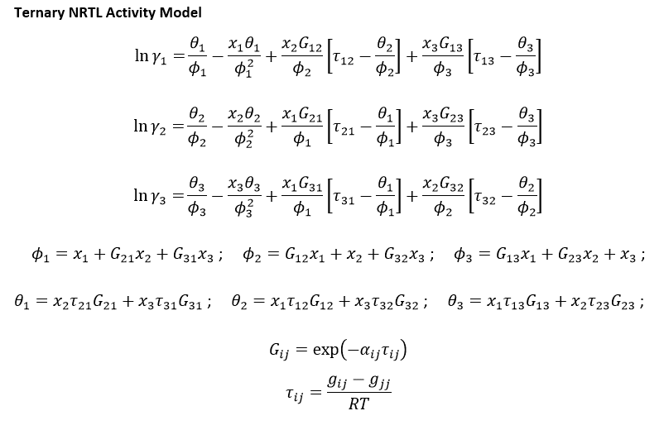
 |  | Antoine equation parameters (P = Pa) |  |  |  |  | i–j | Δgij(kJ·mol−1) | Δgji(kJ·mol−1) | rmsd | α |  | R [kJ.mol^-1.K^-1] | 0.008314
 |  | A | B | C |  |  |  | NRTL parameters
A | MTBE | 20.84054 | -2624.525 | -46.15171 |  |  | MTBE (1) + methanol (2) + [BMIM][HSO4] (3) at 318.15 K
B | Metanol | 23.5347 | -3661.468 | -32.77001 |  |  | 1–2 | 5.5737 | 7.4991 | 0.0065 | 0.4
C | [BMIM][HSO4] | - | - | - |  |  | 1–3 | 19.2694 | 16.2120
P[kPa] | 2.45 |  |  |  |  |  | 2–3 | 10.6456 | 0.5632

 |  |  |  |  |  |  |  |  |  |  |  |  |  | Normalizacia
 |  | t | T | PA0 | PB0 | PC0 | KA | KB | KC | xA | xB | xC | SUMx | xA | xB | xC |  |  | t | T | PA0 | PB0 | PC0 | KA | KB | KC | yA | yB | yC | SUMy | sumP
 |  | 45.124085008 | 318.27408501 | 72.830509698 | 44.807305787 | 0 | 16260.352477 | 49.810086025 | 0 | 2.3429527373E-07 | 0.019999770149 | 0.98 | 1.0000000044 | 2.3429527268E-07 | 0.01999977006 | 0.97999999564 |  |  | 45.124085008 | 318.27408501 | 72.830509698 | 44.807305787 | 0 | 16260.352477 | 49.810086025 | 0 | 0.0038097237175 | 0.99619026715 | 0 | 0.99999999087 | 2.4499999776

 |  | NASTRELY |  |  |  |  |  |  |  |  |  |  |  |  |  |  |  |  |  |  |  |  |  |  |  | Vypocitane
 |  | γA | γB | γC | τAB | τBA | τAC | τCA | τBC | τCB | GAB | GBA | GAC | GCA | GBC | GCB | θ1 | θ2 | θ3 | φ1 | φ2 | φ3 | lnγA | lnγB | lnγC | γA | γB | γC
 |  | 1 | 1 | 1 | 2.1063585068 | 2.8339869527 | 7.2821042772 | 6.1266813986 | 4.0230816369 | 0.21283906759 | 0.43061390488 | 0.32187410728 | 0.05432114534 | 0.086235568445 | 0.20004105575 | 0.91838771775 | 0.53601462439 | 0.19155962148 | 0.016095537589 | 0.090948499129 | 0.92001983035 | 0.98400078349 | 6.3044381283 | 1.001934317 | 0.00015892397129 | 546.99416129 | 2.7235449357 | 1.0001589366

 | n[kmol/h] | xA | xB | xC |  | A |  | ps |  | inverzna
F | 23.64311664 | 0.0018542519675 | 0.49509609737 | 0.50304965066 |  |  | 187115.57793 | 0.04 |  |  | 5.3442904705E-06
D | 11.506727287 | 0.0038097237175 | 0.99619026715 | 0 |  | B |  | ps |  | inverzna
W | 12.136389354 | 2.34E-07 | 0.02 | 0.98 |  |  | 585.28746538 | 11.71 |  |  | 0.0017085621326
 |  |  |  |  |  | C |  | ps |  | inverzna
 |  |  |  |  |  |  | 12.136389354 | 11.89 |  |  | 0.082396829145

 |  | t | T | PA0 | PB0 | PC0 | xA | xB | xC | τAB | τBA | τAC | τCA | τBC | τCB | GAB | GBA | GAC | GCA | GBC | GCB | θ1 | θ2 | θ3 | φ1 | φ2 | φ3 | lnγA | lnγB | lnγC | γA | γB | γC | PA | PB | PC | P[kPa]
 |  | 45 | 318.15 | 72.510769026 | 44.558146395 | 0 | 0.00 | 0.02 | 0.98 | 2.1071800297 | 2.8350922655 | 7.2849444469 | 6.1290709297 | 4.024650721 | 0.21292207918 | 0.43047242445 | 0.3217318301 | 0.054259467875 | 0.086153182795 | 0.19991554264 | 0.91835722353 | 0.54 | 0.19 | 0.02 | 0.09 | 0.92 | 0.98 | 6.3063354558 | 1.0018278213 | 0.00015890578844 | 548.03297351 | 2.7232549055 | 1.0001589184 | 0.01 | 2.43 | - | 2.4361464073

vstup |  | vystup
23.64311664 |  | 12.136389354
0.0018542519675 |  | 2.34E-07
0.49509609737 |  | 0.02
0.50304965066 |  | 0.98

